Pressure Calculations
Pressure Calculations |  |  |  | Closed on 4 Sides | mu_s |  | Open on 1 Side | mu_s
Total Height | 30 | m |  | Windward | 0.8 |  | Windward | 1.3
wz | B |  |  | Sideward | -0.7 |  | Sideward | -1.5
xi | 2.33 |  |  | Leeward | -0.8 |  | Leeward | 0
Windward
nu | 0.47 |  |  | Upward | -0.5 |  | Upward | -0.5
w0 | 55 | kN/m2

Height [m] | fi_z | mu_z | Bz | Windward [kN/m2] | Sideward [kN/m2] | Leeward [kN/m2] | Upward [kN/m2]
5 | 0.16666666667 | 1 | 1.1825166667 | 84.549941667 | -97.557625 | 0 | -32.519208333
10 | 0.33333333333 | 1 | 1.3650333333 | 97.599883333 | -112.61525 | 0 | -37.538416667
15 | 0.5 | 1.14 | 1.4803070175 | 120.659825 | -139.222875 | 0 | -46.407625
20 | 0.66666666667 | 1.25 | 1.5840533333 | 141.57476667 | -163.3555 | 0 | -54.451833333
30 | 1 | 1.42 | 1.7711971831 | 179.82965 | -207.49575 | 0 | -69.16525
40 | 1.3333333333 | 1.56 | 1.935982906 | 215.93953333 | -249.161 | 0 | -83.053666667

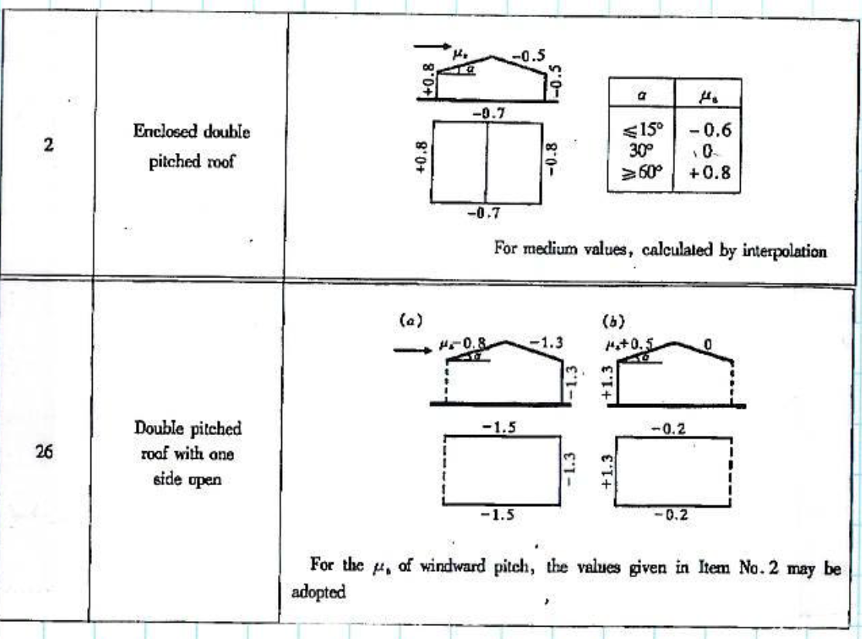
Note: Fit a 3rd or 5th order polynomial to interpolate between values
Ignore Upward pressure
Sideward
 | Open on 1 Side - Blowing into Open Face
Height [m] | Windward [kN/m2] | Height [m] | Sideward [kN/m2]
1 | 0.72031 | 1 | -0.831118
2 | 0.746616 | 2 | -0.861476
3 | 0.7744 | 3 | -0.89355
4 | 0.803584 | 4 | -0.927256
5 | 0.83409 | 5 | -0.96251
6 | 0.86584 | 6 | -0.999228
7 | 0.898756 | 7 | -1.037326
8 | 0.93276 | 8 | -1.07672
9 | 0.967774 | 9 | -1.117326
10 | 1.00372 | 10 | -1.15906
11 | 1.04052 | 11 | -1.201838
12 | 1.078096 | 12 | -1.245576
13 | 1.11637 | 13 | -1.29019
14 | 1.155264 | 14 | -1.335596
15 | 1.1947 | 15 | -1.38171
16 | 1.2346 | 16 | -1.428448
17 | 1.274886 | 17 | -1.475726
18 | 1.31548 | 18 | -1.52346
19 | 1.356304 | 19 | -1.571566
20 | 1.39728 | 20 | -1.61996
21 | 1.43833 | 21 | -1.668558
22 | 1.479376 | 22 | -1.717276
23 | 1.52034 | 23 | -1.76603
24 | 1.561144 | 24 | -1.814736
25 | 1.60171 | 25 | -1.86331
26 | 1.64196 | 26 | -1.911668
27 | 1.681816 | 27 | -1.959726
28 | 1.7212 | 28 | -2.0074
29 | 1.760034 | 29 | -2.054606
30 | 1.79824 | 30 | -2.10126
31 | 1.83574 | 31 | -2.147278
32 | 1.872456 | 32 | -2.192576
33 | 1.90831 | 33 | -2.23707
34 | 1.943224 | 34 | -2.280676
35 | 1.97712 | 35 | -2.32331
36 | 2.00992 | 36 | -2.364888
37 | 2.041546 | 37 | -2.405326
38 | 2.07192 | 38 | -2.44454
39 | 2.100964 | 39 | -2.482446
40 | 2.1286 | 40 | -2.51896

